Sheet2
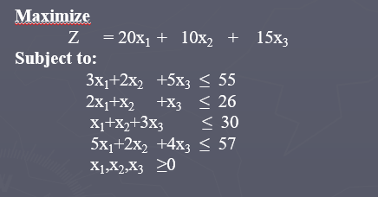

x1 | x2 | x3 |  | Objective
1.8 | 20.8 | 1.6 |  | 268
20 | 10 | 15
 |  |  | LHS |  | RHS
3 | 2 | 5 | 55 | <= | 55
2 | 1 | 1 | 26 | <= | 26
1 | 1 | 3 | 27.4 | <= | 30
5 | 2 | 4 | 57 | <= | 57

